Sheet1
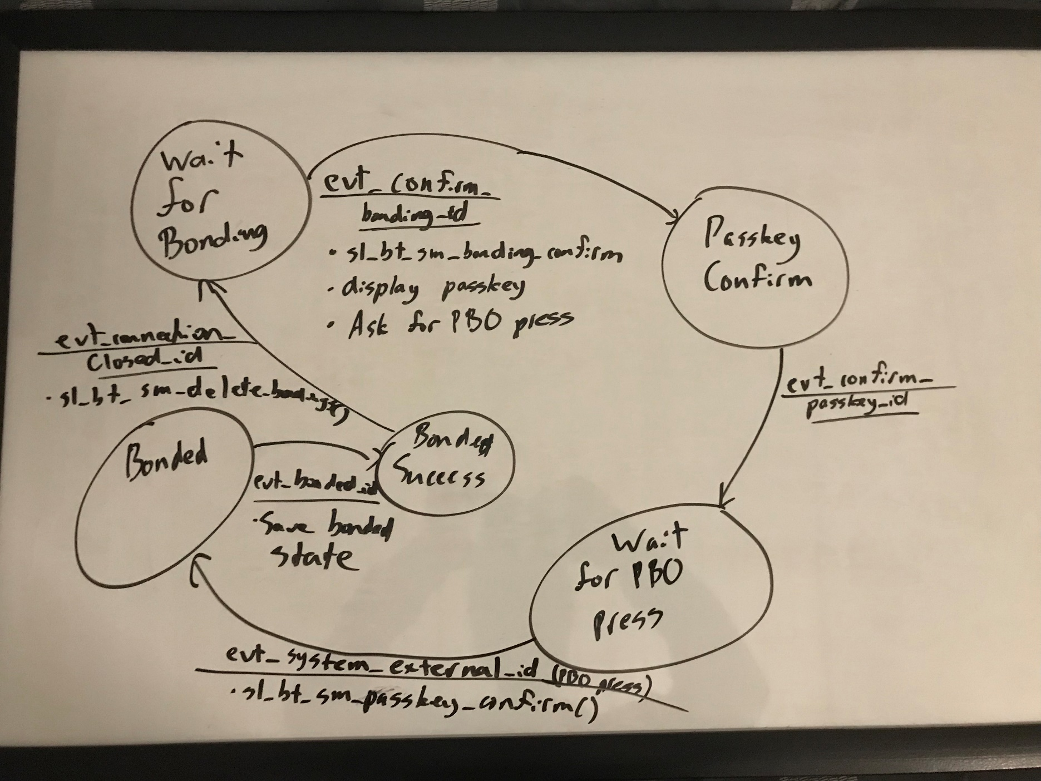
 | Server Command Table for A8

 | Use this table to help you design your program. Add rows as needed. | Use this column to describe when and what your LCD display changes to for rows like DISPLAY_ROW_CONNECTION | Use this column to describe what values you want to save | Commands that may be useful:
 | Event | LCD Display State | Values to Save | Commands called in response to event | Notes
Events Common to Slaves/Clients
 | sl_bt_evt_system_boot_id | DISPLAY_ROW_NAME: Server | bt_address | sl_bt_system_get_identity_address() | This event is generated on stack boot up
 |  | DISPLAY_ROW_BTADDR: Server_address |  | sl_bt_sm_delete_bondings()
 |  | DISPLAY_ROW_CONNECTION: Advertising |  | sl_bt_sm_configure()
 |  | DISPLAY_ROW_ASSIGNMENT: A8 |  | sl_bt_advertiser_create_set()
 |  |  |  | sl_bt_connection_set_default_parameters()
 |  |  |  | sl_bt_advertiser_start()

 | sl_bt_evt_connection_opened_id | DISPLAY_ROW_CONNECTION: Connected | Connection handle | sl_bt_advertiser_stop()
 |  | DISPLAY_ROW_11: Close Count = close_count | Connection flag | sl_bt_connection_set_parameters()

 | sl_bt_evt_connection_closed_id | DISPLAY_ROW_CONNECTION: Advertising | Clear connection and indication and bonded flags | sl_bt_sm_delete_bondings()
 |  | *Clear everything else besides server address, server, and assignment row* |  | sl_bt_advertiser_start()

 | sl_bt_evt_system_soft_timer_id |  |  |  | This event indicates that a soft timer has expired.

 | sl_bt_evt_sm_confirm_bonding_id | DISPLAY_ROW_PASSKEY: Passkey |  | sl_bt_sm_bonding_confirm()
 |  | DISPLAY_ROW_ACTION: Confirm with PB0 press

 | sl_bt_evt_sm_confirm_passkey_id |  |  | sl_bt_sm_passkey_confirm() | Confirm passkey on button press

 | sl_bt_evt_sm_bonded_id | DISPLAY_ROW_CONNECTION: Bonded | Bonded flag
 |  | DISPLAY_ROW_9: Button_state

 | sl_bt_evt_sm_bonding_failed_id

Events only for Masters/Clients
 | sl_bt_evt_gatt_server_characteristic_status_id | DISPLAY_ROW_TEMPVALUE: Temp | Track if indications are enabled, check which characteristic is being acknowledged |  | Indicates either that a local Client Characteristic Configuration descriptor (CCCD) was changed by the remote GATT client, or that a confirmation from the remote GATT client was received upon a successful reception of the indication

 | sl_bt_evt_gatt_server_indication_timeout_id |  |  |  | Possible event from calling sl_bt_gatt_server_send_indication() - i.e. we never received a confirmation for a previously transmitted indication.

